TECHNICAL SHEET GARMENT
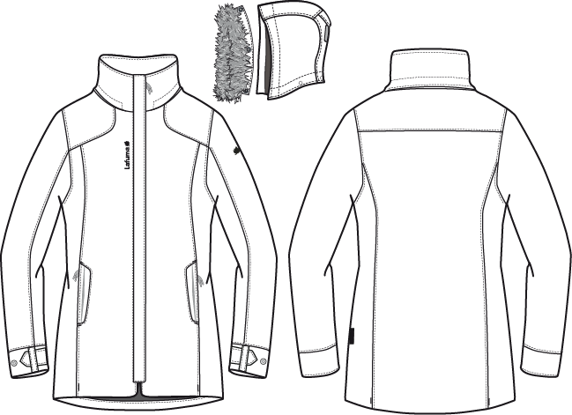
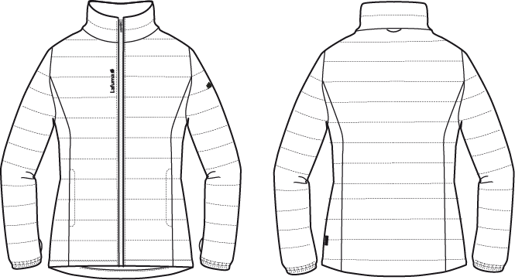
 |  |  | TECHNICAL SHEET GARMENT |  |  | WINTER 2018/19
LFV11489 |  | LD CONEY 3in1 PARKA |  |  |  | INDEX | V1
DATE | 2020-01-03 |  | DEVELOPPER: | Marjorie |  | SUPPLIER : |  | PRIMA CHANNEL
SHELL 1 : OUTER JKT |  |  |  |  | SHELL 2: INNER JKT
FABRIC / SUPPLIER: 06302 / LIBOLON |  |  |  |  | FABRIC / SUPPLIER: 8093 LDF / CAROLTEX

JKT COUNTER SAMPLE (OUTER
 |  | COUNTER SAMPLE |  |  |  |  |  |  | WINTER 2018/19
LFV11489 |  |  | LD CONEY 3in1 PARKA |  |  |  |  |  | INDEX | V1
DATE | 2020-01-03 |  |  |  |  |  |  |  | SUPPLIER : | PRIMA CHANNEL

 | MEASUREMENTS TAKEN ON FINISH PRODUCT |  |  |  |  | 銷售樣 |  | 大貨
OUTER JKT MEASUREMENTS IN CM 外夾克 |  |  |  |  | ALLOWANCES | Measures to follow for making SMS | SMS NORTH SEA measures the 14/12/2017 | Measures to follow for BULK
FRONT JACKET MEASUREMENTS (IN CM) |  |  |  |  |  |  | M | M
B | FRONT BREADTH AT 13CM FROM SHOULDER POINT NECKLINE |  |  | 上胸寬(領肩點下13cm) | +/- 0,5 cm | 37 | 38 | 37 | 1
C | 1/2 CHEST ROUND |  |  | 1/2胸圍(腋點量) | +/- 1 cm | 53 | 52.5 | 53 | -0.5
D | 1/2 WAIST ROUND AT 42 CM FROM SHOULDER POINT NECKLINE |  |  | 1/2腰圍(領肩點下42cm) | +/- 1 cm | 48 | 48 | 50 | -2
FA | 1/2 HIPS ROUND AT 54 CM FROM SHOULDER POINT NECKLINE |  |  | 1/2臀圍(領肩點下54cm) | +/- 1 cm | 53 | 54 | 53 | 1
IA | 1/2 BOTTOM ROUND RELAXED |  |  | 1/2下襬(平量) | +/- 1 cm | 60 | 60 | 58 | 2
JA | TOTAL LENGHT FROM SHOULDER POINT TO BOTTOM FRONT |  |  | 前身長(領肩點量) | +/- 1 cm | 77 | 76 | 76
KA | SHOULDER LENGHT |  |  | 單肩寬 | +/- 0,5 cm | 12 | 11.5 | 11 | 0.5
KD | ARMHOLE HEIGHT |  |  | 袖襱直量 | +/- 0,5 cm | 23.5 | 23.5 | 23.5
LA | 1/2 ARM ROUND |  |  | 1/2袖寬(腋點垂直量) | +/- 0,5 cm | 23 | 23 | 21.5 | 1.5
LB | 1/2 ELBOW ROUND AT 28CM FROM BOTTOM SLEEVE |  |  | 1/2肘寬(袖口上28cm) | +/- 0,5 cm | 17 | 17 | 17
LC | 1/2 BOTTOM SLEEVE ROUND RELAXED |  |  | 1/2袖口寬(平量) | +/- 0,5 cm | 14 | 14 | 14
MH | CUFF HEIGHT |  |  | 袖口高 | +/- 0,5 cm | 6 | 6 | 6
N | TOTAL SLEEVE LENGHT |  |  | 袖長(肩點量) | +/- 1 cm | 64 | 64 | 64.5 | -0.5
BACK JACKET MEASUREMENTS (IN CM)
R | BACK BREADTH AT 13CM FROM SHOULDER POINT NECKLINE |  |  | 後背寬(領肩點下13cm) | +/- 0,5 cm | 39 | 40 | 39 | 1
S | CENTER BACK LENGTH |  |  | 後身長(後領圍中心量) | +/- 1 cm | 77 | 76.5 | 77 | -0.5
S1 | BACK YOKE HEIGHT |  |  | 後背剪接高(領肩點量) | +/- 0,5 cm | 17 | 17 | 17
COLLAR MEASUREMENTS (IN CM)
UA1 | NECK WIDTH |  |  | 領寬 | +/- 1 cm | 22 | 22 | 21 | 1
UA2 | FRONT NECK DEPTH |  |  | 前領深 | +/- 1 cm | 9 | 8.5 | 9.5 | -1
UB1 | INNER NECKLINE LENGHT |  |  | 下領圍(不含拉鍊) | +/- 1 cm | 53 | 53 | 53
UB2 | COLLAR LENGHT AT THE TOP EDGE |  |  | 上領圍(不含拉鍊) | +/- 1 cm | 52 | 52 | 52
UC1 | COLLAR HEIGHT AT CENTER BACK |  |  | 後領高 | +/- 0,5 cm | 8.5 | 8.5 | 8.5
UC3 | COLLAR HEIGHT AT MIDDLE FRONT |  |  | 前領高 | +/- 0,5 cm | 8.5 | 8.5 | 8.5
HOOD MEASUREMENTS (IN CM)
VA | HOOD LENGTH |  |  | 帽中長 | +/- 1 cm | 49 | 48 | 48
VB | HOOD WIDTH AT 18CM FROM SHOULDER POINT / NECKLINE |  |  | 帽寬(領肩點上18cm) | +/- 0,5 cm | 25 | 24.5 | 25 | -0.5
VHA | HOOD HEIGHT AT FRONT |  |  | 帽前高(開口處) | +/- 0,5 cm | 34 | 33.5 | 34 | -0.5
VHB | HOOD HEIGHT AT SHOULDER POINT |  |  | 帽高(領肩點) | +/- 0,5 cm | 35 | 34.5 | 35 | -0.5
ZIPPERS MEASUREMENTS (IN CM)
Z1 | MIDDLE FRONT |  |  | 門襟拉鍊長 | +/- 0,5 cm | 77 | 77 | 77
Z2 | FRONT POCKET |  |  | 側袋開口長 | +/- 0,5 cm | 17 | 16.5 | 17 | -0.5
 | BILLFOLD POCKET |  |  | 內胸袋開口長 | +/- 0,5 cm | 16 | 16 | 16

INNER JKT MEASUREMENTS IN CM |  |  |  |  | ALLOWANCES | Measures to follow for making SMS | SMS NORTH SEA measures the 14/12/2017 | Measures to follow for BULK
FRONT JACKET MEASUREMENTS (IN CM) |  |  |  |  |  |  | M | M
B | FRONT BREADTH AT 13CM FROM SHOULDER POINT NECKLINE |  |  |  | +/- 0,5 cm | 38 | 37 | 38
C | 1/2 CHEST ROUND |  |  |  | +/- 1 cm | 51 | 47 | 51
D | 1/2 WAIST ROUND AT 42CM FROM SHOULDER POINT NECKLINE |  |  |  | +/- 1 cm | 47 | 45 | 47
IA | 1/2 BOTTOM RELAXED ROUND |  |  |  | +/- 1 cm | 54 | 51.5 | 54
JA | TOTAL LENGHT FROM SHOULDER POINT TO BOTTOM FRONT |  |  |  | +/- 1 cm | 63 | 60 | 63
KA | SHOULDER LENGHT |  |  |  | +/- 0,5 cm | 11.5 | 11 | 11.5
KD | ARMHOLE HEIGHT |  |  |  | +/- 0,5 cm | 21.5 | 21.5 | 22.5
LA | 1/2 ARM ROUND |  |  |  | +/- 0,5 cm | 20 | 20 | 20
LB | 1/2 ELBOW ROUND AT 28CM FROM BOTTOM SLEEVE |  |  |  | +/- 0,5 cm | 16.5 | 16.5 | 16.5
LC | 1/2 BOTTOM SLEEVE ROUND RELAXED |  |  |  | +/- 0,5 cm | 10 | 10 | 10
LC' | 1/2 BOTTOM SLEEVE ROUND EXTENDED |  |  |  | +/- 0,5 cm | 13 | 13 | 13
N | TOTAL SLEEVE LENGHT |  |  |  | +/- 1 cm | 62 | 60 | 63
BACK JACKET MEASUREMENTS (IN CM)
R | BACK BREADTH AT 13CM FROM SHOULDER POINT NECKLINE |  |  |  | +/- 0,5 cm | 39 | 39 | 39
S | CENTER BACK LENGTH |  |  |  | +/- 1 cm | 63 | 60 | 63
COLLAR MEASUREMENTS (IN CM)
UA1 | NECK WIDTH |  |  |  | +/- 1 cm | 18 | 18 | 18
UA2 | FRONT NECK DEPTH |  |  |  | +/- 1 cm | 8 | 7.5 | 8.5
UB1 | INNER NECKLINE LENGHT |  |  |  | +/- 1 cm | 46 | 46 | 47
UB2 | COLLAR LENGHT AT THE TOP EDGE |  |  |  | +/- 1 cm | 44 | 45 | 45
UC1 | COLLAR HEIGHT AT CENTER BACK |  |  |  | +/- 0,5 cm | 7.5 | 7 | 7.5
UC3 | COLLAR HEIGHT AT MIDDLE FRONT |  |  |  | +/- 0,5 cm | 7.5 | 7.5 | 7.5
ZIPPERS MEASUREMENTS (IN CM)
Z1 | MIDDLE FRONT |  |  |  | +/- 0,5 cm | 64 | 63 | 64
Z2 | FRONT POCKET |  |  |  | +/- 0,5 cm | 16 | 16 | 16

Comments on 1st sample the 16/06/2017
OUTER JACKET
Reduce front lenght by 6cm
Reduce back lenght by 9cm
Move 3cm down pocket
Move pocket embroideries at 0,5cm from edge
Revised shape of top yoke to have more rounded corner, refer to sample marking
Reduce shoulder lenght by 1cm
Reduce Front breadth by 3cm
Reduce back breadth by 1,5cm
Reduce sleeve width 1cm on elbow, 2cm on top arm, refer to sample
Increase cuff by 1cm, Increase tab width by 1cm
Reduce hood lenght by 4cm
Remove shell 1 under fur, it must be all fur with only one shell 1 band

INNER JACKET
Reduce lenght to have 64cm on front zipper - zipper should be YKK MUSI to mix & match other jacket
Move 1cm down front neck drop
Increase quilting to have 5cm between stitching
Revise front cut out to shape chest, refer to sample marking
Increase sleeve lenght by 3cm to have 62cm

Please make 2nd sample

Comments on 2nd sample the 04/09/2017

OUTER JACKET
Add mix & match hang tag
Attached fur on front hood i/o removable, remove 5 snap
Use only one zipper puller ZP072 on front zipper

INNER JACKET
Measures are out of tolerance, improve yellow measures on chart above
Reduce front and back breadth by 2cm
Reduce 1/2 waist round by 3cm
Reduce shoulder lenght by 1,5cm
Reduce 1/2 arm round by 1cm
Reduce 1/2 elbow round by 1cm
Increase lenght by 2cm
Use binding to clean finish front zip inside
Remove Technowarm Hang tag
Remove Technowarm woven label

Follow comments for making SMS

Comments after sales meeting the 21/11/2017
HANG TAG
Hang tag corporate and climactive must be small # HT-394082-E & HT394146-E

OUTER JACKET
1) Fake Fur must be removable on front hood with 5 snap
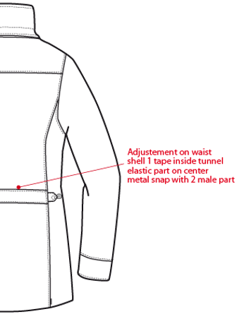

 |  |  |  |  | 2) Remove back waist adjustement shell 1 band with elastic and 2 snap

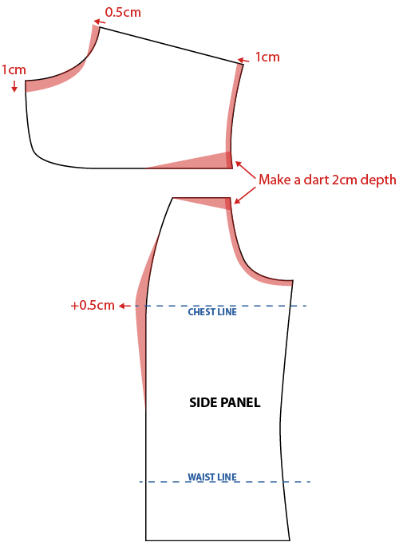

Refer to picture and patern sketch for comments below
3) Avoid pleat on front breadth
 | Make a dart 2cm depth on front breadth/armhole
 | Reduce front breadth by 1cm
4) Give a room at woman breast
 | add 0,5cm on chest line on side panel
5) Move 3cm down bottom pocket

MEASURES OUTER JACKET
Improve yellow measures on chart above
Increase 1/2 waist round by 2cm to have 50cm i/o 48cm
Reduce 1/2 bottom round by 2cm to have 58cm i/o 60cm
Reduce shoulder lenght to have 11cm i/o 11,5cm
Reduce 1/2 arm round by 1,5cm to have 21,5 i/o 23cm on SMS
Increase sleeve lenght by 0,5cm to have 64,5cm i/o 64cm
Reduce front breadth by 1cm to have 37cm i/o 38cm on SMS
Reduce back breadth by 1cm to have 39cm i/o 40cm on SMS
Reduce neck width by 1cm to have 21cm i/o 22cm
Reduce front neck depth by 1cm to have 9,5cm i/o 8,5cm

COLORS OUTER JACKET
On style HEATHER GREY, embroideries must be more tone on tone #40031 i/o 40022
 | Change zipper colors to #183 i/o 392
On style NORTH SEA, embroideries must be more tone on tone # 464 i/o 6743

MEASURES INNER JACKET
Measures are out of tolerance, improve yellow measures on chart above, includ padding puff when making patern
Increase 1/2 chest round by 4cm to have 51cm i/o 47cm
Increase 1/2 waist round by cm to have 47cm i/o 45cm
Increase 1/2 bottom round by 2,5cm to have 54cm i/o 51,5cm
Increase front lenght "JA" and back lenght "S" by 3cm to have 63cm i/o 60cm on SMS
Increase armhole height by 1cm to have 22,5cm i/o 21,5cm
Increase sleeve lenght by 3cm to have 63cm i/o 60cm
Increase front neck depth by 1cm to have 9,5cm i/o 8,5cm

Give a room at woman breast, add 0,5cm on chest line on side panel

COLORS INNER JACKET
On style HEATHER GREY inner jacket BLACK, embroideries must be BLACK # 9000 i/o 40022
 | Change zipper colors to black # 580 i/o 392
On style NORTH SEA, embroideries must be more tone on tone # 369 i/o 6743
 | Change zipper colors to have it tone on tone # 357 i/o 074
On style BLACK inner jacket BLACK, embroideries must be BLACK # 9000
 | Change zipper colors to black # 580

Please follow comments and send comformity sample to France

COMMENTS
 |  | COUNTER SAMPLE |  |  |  |  | WINTER 2018/19
LFV11489 |  |  | LD CONEY 3in1 PARKA |  |  |  | INDEX | V1
DATE | 2020-01-03 |  |  |  |  |  | SUPPLIER : | PRIMA CHANNEL

Comments after sales meeting the 21/11/2017
HANG TAG
Hang tag corporate and climactive must be small # HT-394082-E & HT394146-E |  |  |  |  | 吊牌改為用#HT-394082-E (i/o #HT-394081-E)
 |  |  |  |  | 吊牌改為用#HT-394146-E (i/o #HT-394133-E)
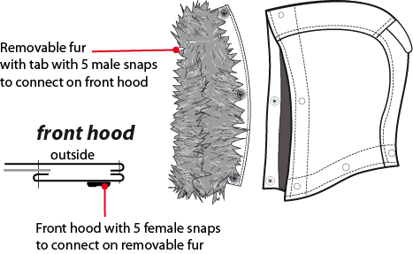
OUTER JACKET |  |  | 外夾
1) Fake Fur must be removable on front hood with 5 snap
假毛改為可拆式，帽前加5組12.5MM彈簧釦

 |  |  |  | 帽簷內貼表布，釘5組12.5MM 彈簧壓釦上半套，可與假毛布條扣合
 |  |  |  | 假毛布條釘5組12.5MM 彈簧壓釦下半套

 |  |  |  | 2) Remove back waist adjustement shell 1 band with elastic and 2 snap

 |  |  |  | 後腰調節布條取消

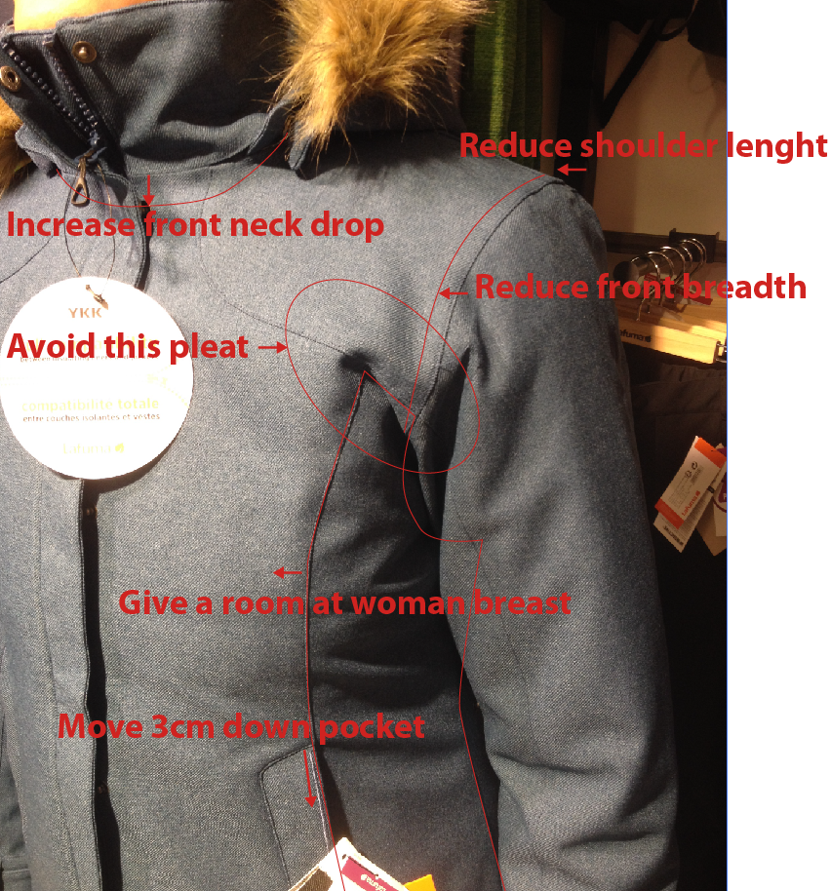

Refer to picture and patern sketch for comments below
參考右圖作以下修正
3) Avoid pleat on front breadth
上胸處應避免摺痕
Make a dart 2cm depth on front breadth/armhole
上胸&脇邊裁片於袖襱處打褶2CM ( 如右圖紅線)
Reduce front breadth by 1cm
上胸寬減少1CM
4) Give a room at woman breast
前胸須作出空間
add 0,5cm on chest line on side panel
脇邊裁片胸線位置增加0.5CM
5) Move 3cm down bottom pocket
側袋下移3CM
MEASURES OUTER JACKET |  |  | 外夾尺寸
Improve yellow measures on chart above |  |  |  |  | 請依尺寸表黃色標示修正
Increase 1/2 waist round by 2cm to have 50cm i/o 48cm |  |  |  |  | 1/2腰圍增加2CM, 改為50CM
Reduce 1/2 bottom round by 2cm to have 58cm i/o 60cm |  |  |  |  | 1/2下襬減少2CM, 改為58CM
Reduce shoulder lenght to have 11cm i/o 11,5cm |  |  |  |  | 單肩寬修改為11CM
Reduce 1/2 arm round by 1,5cm to have 21,5 i/o 23cm on SMS |  |  |  |  | 1/2袖寬減少1.5CM, 改為21.5CM
Increase sleeve lenght by 0,5cm to have 64,5cm i/o 64cm |  |  |  |  | 袖長增加0.5CM, 改為64.5CM
Reduce front breadth by 1cm to have 37cm i/o 38cm on SMS |  |  |  |  | 上胸寬為37CM
Reduce back breadth by 1cm to have 39cm i/o 40cm on SMS |  |  |  |  | 後背寬為39CM
Reduce neck width by 1cm to have 21cm i/o 22cm |  |  |  |  | 領寬減少1CM, 改為21CM
Reduce front neck depth by 1cm to have 9,5cm i/o 8,5cm |  |  |  |  | 前領深為9.5CM

COLORS OUTER JACKET |  |  | 外夾配色
On style HEATHER GREY, embroideries must be more tone on tone #40031 i/o 40022 |  |  |  |  | 色組#4809, 繡花線色改為#40030 (i/o #40022)
 | Change zipper colors to #183 i/o 392 |  |  |  | 色組#4809, 拉鍊顏色改為YKK#183
On style NORTH SEA, embroideries must be more tone on tone # 464 i/o 6743 |  |  |  |  | 色組#8604, 繡花線色改為#464 (i/o #6743)

MEASURES INNER JACKET |  |  | 內夾尺寸
Measures are out of tolerance, improve yellow measures on chart above, includ padding puff when making patern
很多尺寸超過公差，打版時請考慮車棉膨度，請修正如尺寸表黃色標示
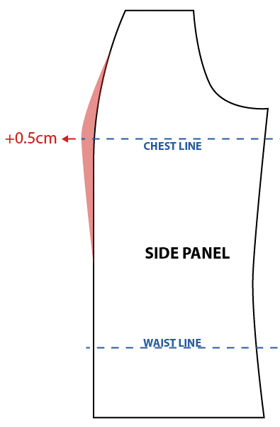
Increase 1/2 chest round by 4cm to have 51cm i/o 47cm
1/2胸圍需達到51cm
Increase 1/2 waist round by cm to have 47cm i/o 45cm
1/2腰圍需達到47cm
Increase 1/2 bottom round by 2,5cm to have 54cm i/o 51,5cm
1/2下襬需達到54cm
Increase front lenght "JA" and back lenght "S" by 3cm to have 63cm i/o 60cm on SMS
前身長(JA)和後身長(S)皆需達到63CM
Increase armhole height by 1cm to have 22,5cm i/o 21,5cm
袖襱直量增加1CM，改為22.5CM
Increase sleeve lenght by 3cm to have 63cm i/o 60cm
袖長需達到63CM
Increase front neck depth by 1cm to have 9,5cm i/o 8,5cm
前領深需達到8.5CM
Give a room at woman breast, add 0,5cm on chest line on side panel
前胸須作出空間 ( 參考右圖), 脇邊裁片胸線位置增加0.5CM

COLORS INNER JACKET |  |  | 內夾配色
On style HEATHER GREY inner jacket BLACK, embroideries must be BLACK # 9000 i/o 40022 |  |  |  |  |  | 色組#4809, 繡花線色改為#9000 (i/o #40022)
 | Change zipper colors to black # 580 i/o 392 |  |  |  |  | 色組#4809, 拉鍊顏色改為YKK#580
On style NORTH SEA, embroideries must be more tone on tone # 369 i/o 6743 |  |  |  |  |  | 色組#8604, 繡花線色改為#369 (i/o #6743)
 | Change zipper colors to have it tone on tone # 357 i/o 074 |  |  |  |  | 色組#8604, 拉鍊顏色改為YKK#357
On style BLACK inner jacket BLACK, embroideries must be BLACK # 9000 |  |  |  |  |  | 色組#0247 繡花線色改為#9000
 | Change zipper colors to black # 580 |  |  |  |  | 色組#0247, 拉鍊顏色改為YKK#580

Please follow comments and send comformity sample to France
請依照以上修正後寄核可樣至法國

DETAILS OUTER JKT 1
 |  | DETAILS OUTER JKT |  | WINTER 2018/19
LFV11489 |  |  | LD CONEY 3in1 PARKA | INDEX | V1
DATE | 2020-01-03 |  |  | SUPPLIER : |  | PRIMA CHANNEL
※整件剪接壓臨邊單針
FABRIC / SUPPLIER: 06302 / LIBOLON
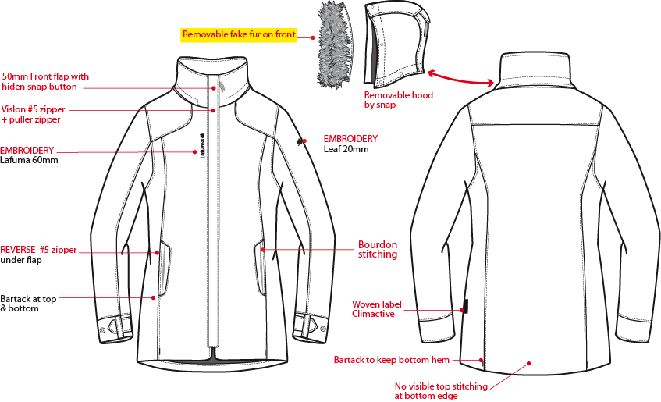
表布穿者右側外擋風片延長至下襬,寬5cm,壓臨邊單針。釘6組12.5隱藏面彈簧壓釦。穿者左側表布短版內擋風片,下緣打結,避免拉鍊咬到布。
可拆帽/可拆假毛
做法同附件

門襟車#5塑鋼拉鍊+拉片,壓臨邊單針,左/右兩側底端打結。

繡花2cm。

繡花6cm。

側袋車#5尼龍反拉,壓臨邊單針,向上拉合。表布袋蓋,壓臨邊單針,上下打結加強,袋唇上有一繡花直條,距離側袋唇邊緣0.5cm。袋裏:表布袋貼+210T。

織標LW050-E

表布袖絆壓臨邊單針,釘1組12.5mm隱藏面彈簧壓釦上半套。袖口高6cm,釘2組下半套,間隔4cm。
下襬不壓明線,前後公主線底端各打一直結,固定下襬內貼。

DETAILS LINING JKT 1
側袋手心面
 |  | DETAILS LINING JKT |  | WINTER 2018/19
LFV11489 |  |  | LD CONEY 3in1 PARKA | INDEX | V1
DATE | 2020-01-03 |  |  | SUPPLIER : |  | PRIMA CHANNEL
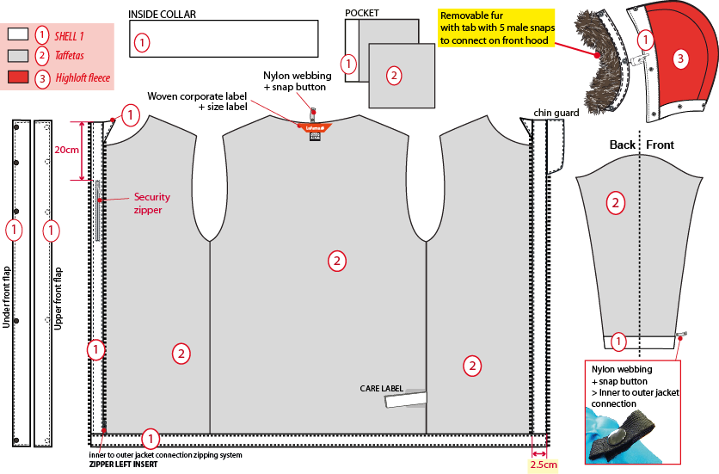
側袋手背面
表布帽簷內貼+棉60g,帽裏為刷毛布。假毛夾車於表布布條+60G棉
表布

210T布

刷毛布

袖裏210T布,袖口內貼表布H:6CM。袖口以上7cm車迴紋帶釦絆。
內領夾車主標+ 尺寸標
穿者左側表布內擋風片,壓臨邊單針。

☆內門襟三角擋片尺寸:L:10cm W:6cm,上片:表布/下片:210T布。內門襟車#3塑鋼拉鍊。

穿者右內胸袋車#3尼龍反拉拉鍊,向上拉合,袋口上/下打橫結,壓臨邊線,袋裡:表布A袋貼+210T布.

☆內後領圍中心x1和袖口內x2,需夾車迴紋帶(W:1/2" 內後領中心L:6cm /袖口L:5cm)+1組10mm四合釦,可與內夾克扣合用,迴紋帶要對折壓臨邊線.

下襬內貼表布寬1",壓單針。
表布門襟內貼寬2.5cm。

OTHER DETAILS JKT 1
 |  | OTHER DETAILS |  | WINTER 2018/19
LFV11489 |  |  | LD CONEY 3in1 PARKA | INDEX | V1
DATE | 2020-01-03 |  |  | SUPPLIER : |  | PRIMA CHANNEL
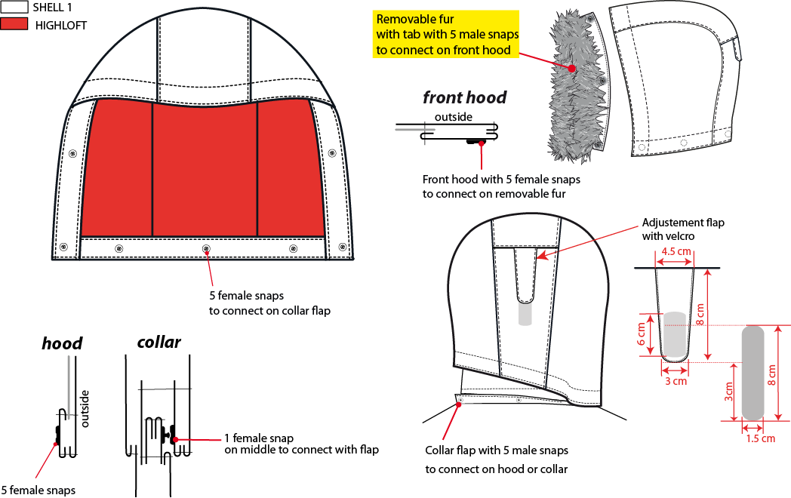
帽簷內貼表布A,釘5組12.5mm彈簧壓釦上半套,假毛布條上釘5組下半套,可與帽簷釦合。

帽絆壓臨邊單針,車黏扣帶勾面2cmx6cm,帽後中車黏扣帶毛面2cmx10cm。

可拆帽作法,帽底釘5組12.5mm平釘面彈簧釦-上半套,面釦要隱藏,可與領布條扣合。

外領蓋片中間內釘1組12.5mm平釘面彈簧釦上半套+墊片,面釦要隱藏,外領圍夾車表布領布條W:3cm,釘5組12.5mm彈簧釦下半套,可與帽底&外領蓋片扣合.

DETAILS INNER JKT 2
※大身三層車棉,寬5cm
大身: 表布+棉150g+配布
袖/領: 表布+棉100g+配布
 |  | DETAILS INNER JKT |  |  | WINTER 2018/19
LFV11489 |  |  | LD CONEY 3in1 PARKA |  | INDEX | V1
DATE | 2020-01-03 |  |  |  | SUPPLIER : |  | PRIMA CHANNEL
※整件剪接不壓單針
QUILTING 2 INCH - 5 CM
 |  |  |  | FABRIC / SUPPLIER: 8093 LDF / CAROLTEX

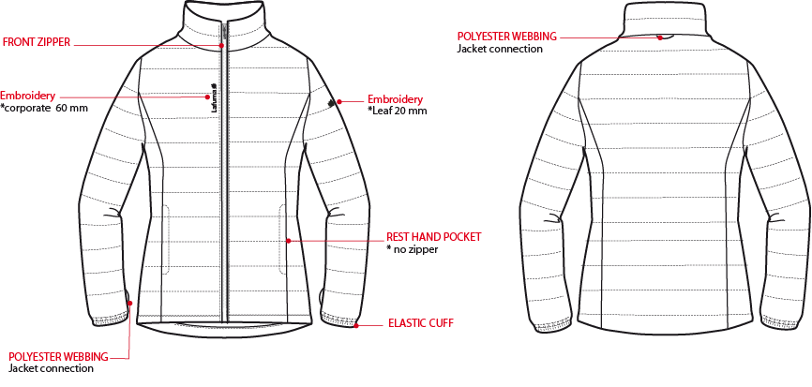
門襟車#3塑鋼拉鍊,壓臨邊單針,兩側底端打直結。

外後領中心夾車織帶掛耳。

繡花2cm
繡花6cm

表布側袋唇,壓臨邊單針,袋裏手心面為裏布背面,手背面為裏布正面。

袖口內車1cm鬆緊帶。不壓單針。

袖下剪接距離袖口4cm處夾車織帶掛耳。
下襬高1",不壓單針。

DETAILS LINING JKT 2
 |  | DETAILS INNER JKT LINING |  |  | WINTER 2018/19
LFV11489 |  |  | LD CONEY 3in1 PARKA |  | INDEX | V1
DATE | 2020-01-03 |  |  |  | SUPPLIER : |  | PRIMA CHANNEL
 |  |  |  | FABRIC / SUPPLIER: 8093 LDF / CAROLTEX
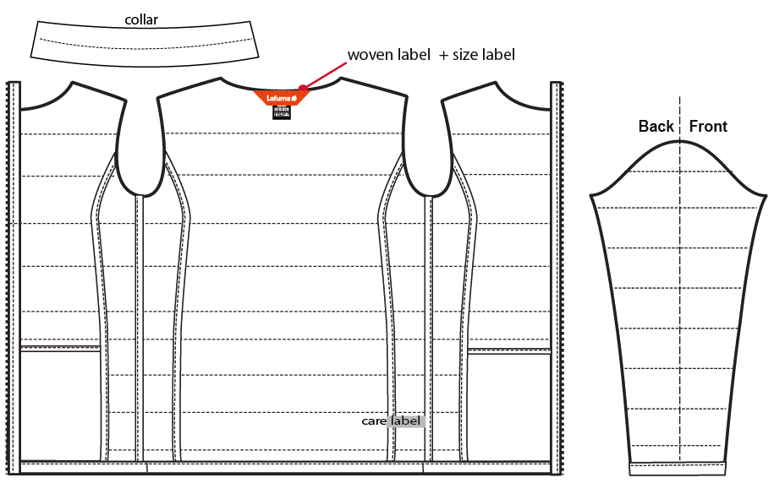
內領夾車主標+ 尺寸標
※身裏,袖裏,帽裏剪接縫份以及門襟拉鍊需用裏布包邊

袖口/下襬內貼表布,高1",壓臨邊單針。

CONNECTION DETAILS
 |  | CONNECTION DETAILS |  | WINTER 2018/19
LFV11489 |  |  | LD CONEY 3in1 PARKA | INDEX | V1
DATE | 2020-01-03 |  |  | SUPPLIER : |  | PRIMA CHANNEL
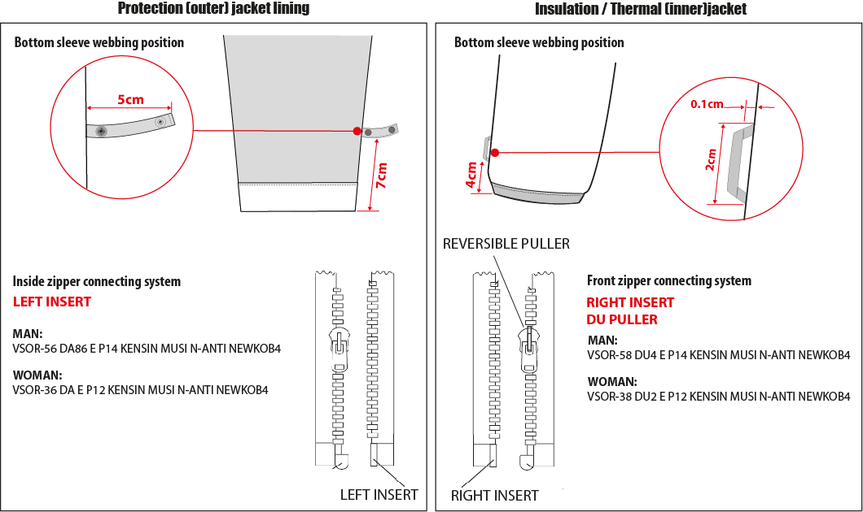

袖口以上7cm車迴紋帶釦絆(L:5cm)。

袖口以上4cm車織帶掛耳。

女款內門襟拉鍊:#3塑鋼拉鍊,左插右拉
女款內夾門襟拉鍊:#3塑鋼拉鍊,右插左拉

COLOR SKETCH
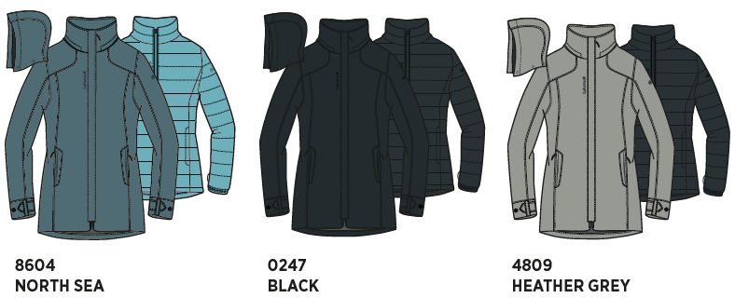
 |  | COLOR SKETCH |  | WINTER 2018/19
LFV11489 |  |  | LD CONEY 3in1 PARKA | INDEX | V1
DATE | 2020-01-03 |  |  | SUPPLIER : |  | PRIMA CHANNEL

COLOR COMBINATION
 |  | COLOR COMBINATION |  |  |  |  |  |  |  |  | WINTER 2018/19
LFV11489 |  |  | LD CONEY 3in1 PARKA |  |  |  |  |  |  |  | INDEX | V1
DATE | 2020-01-03 |  |  |  |  |  |  |  |  |  | SUPPLIER : |  |  | PRIMA CHANNEL
FABRIC OUTER JKT |  |  |  | SUPPLIER |  |  | BLACK 0247 | HEATHER GREY 4809 | NORTH SEA 8604
SHELL 1 06302 5k/5k |  |  |  | LIBOLON | OUTER JACKET |  | ANTHRACITE GREY | HEATHER GREY | NIGHTFALL H07B
SHELL 3 HIGHLOFT FLEECE CA491 |  |  |  | EVERWEI | HOOD LINING |  | BLACK | BLACK | DEEP BLUE
FAKE FUR REF # F1G0405KLXE049N Nanjing HG-Nice Gain Fabric Co.,Ltd |  |  |  | LOCAL | FRONT HOOD |  | NATUREL | NATUREL | NATUREL
NYLON 210 T |  |  |  | LOCAL | BODY + SLEEVES + POCKETS LINING |  | BLACK | BLACK | BLACK
SEAM TAPE CRITICAL |  |  |  | LOCAL | COLLAR + HOOD + SHOULDER + ARMHOLE |  | CLEAR | CLEAR | CLEAR
NON WOVEN |  |  |  | LOCAL | COLLAR + FLAPS + EMBROIDERIES BACKSIDE |  | WHITE | WHITE | WHITE
FABRIC INNER JKT |  |  |  |  |  |  | BLACK 0247 | HEATHER GREY 4809 | NORTH SEA 8604
SHELL 2 8093 LDF3 |  |  |  | CAROLTEX | INNER JACKET |  | NOIR | NOIR | POLAR BLUE
SHELL 2 8093 LDF3 |  |  |  | CAROLTEX | INNER JACKET LINING |  | NOIR | NOIR | POLAR BLUE
INSULATION PADDING PK80 - WEIGHT 150G |  |  |  | LOCAL | BODY |  | 150G | 150G | 150G
INSULATION PADDING PK80 - WEIGHT 100G |  |  |  | LOCAL | SLEEVES + COLLAR |  | 100G | 100G | 100G
TRIMMING AND ACCESSORIES OUTER JKT
 | DESCRIPTION |  | REF | SUPPLIER | DESIGNATION | QTY | BLACK 0247 | HEATHER GREY 4809 | NORTH SEA 8604 | XS | S | M | L | XL | XXL
Zipper DELRIN # 5 2WAYS - separable - autolock SD51MA.RT |  |  |  | MAX zipper | Front zip | 1 | ANTHRACITE GREY 075 | HEATHER GREY 183 | NORTH SEA 074
Zipper VISLON # 3 - "left insert" 1WAY - SEPARABLE - AUTOLOCK VSOR-36 DA E P12 KENSIN MUSI N-ANTI NEWKOB4 |  |  |  | YKK MUSI zipper | Inside Jacket / 3in1 system | 1 | ANTHRACITE GREY 075 | HEATHER GREY 183 | NORTH SEA 074
Zipper INVERTED COIL #5 1WAY - NON separable - non lock SN52MAX |  |  |  | MAX zipper | 2x Front pocket | 2 | ANTHRACITE GREY 075 | HEATHER GREY 183 | NORTH SEA 074
Zipper Inverted COIL #3 1WAY - NON separable - non lock SN31WDM |  |  |  | MAX zipper | security pocket | 1 | ANTHRACITE GREY 075 | HEATHER GREY 183 | NORTH SEA 074
cord puller |  |  | ZP072-E | DRAGON TIMES | 1x Front zipper | 1 | NOIR | NOIR | NOIR
12mm FLAT METAL SNAP - INVISIBLE (female & male part) |  |  |  | LOCAL | 6x Front opening 5x bottom hood + collar flap 2x Cuff adjustement 5x Removable fake fur on front hood | 16 | ANTIC SILVER | ANTIC SILVER | ANTIC SILVER
12mm FLAT METAL SNAP (female part) |  |  |  | LOCAL | 1x middle collar top flap | 1 | ANTIC SILVER | ANTIC SILVER | ANTIC SILVER
12mm FLAT METAL SNAP (male part) |  |  |  | LOCAL | 2x cuff adjustement | 2 | ANTIC SILVER | ANTIC SILVER | ANTIC SILVER
VELCRO FEMALE 20mm WIDTH (rounded corner) |  |  |  | LOCAL | 1x Back hood | 1 | T0536 | T0536 | TO524
VELCRO MALE 20mm WIDTH (rounded corner) |  |  |  | LOCAL | 1x Back hood flap | 1 | T0536 | T0536 | TO524
12mm NYLON WEBBING |  |  |  | LOCAL | JKT connection 1x inside back neckline 2x inside bottom sleeve | 3 | BLACK | BLACK | BLACK
8mm PLASTIC SNAP |  |  |  | LOCAL | JKT connection inside back neckline webbing inside bottom sleeve webbing | 3 | BLACK | BLACK | BLACK
TRIMMING AND ACCESSORIES INNER JKT
 | DESCRIPTION |  | REF | SUPPLIER | DESIGNATION | QTY | BLACK 0247 | HEATHER GREY 4809 | NORTH SEA 8604 |  | S | M | L | XL | XXL
Zipper VISLON # 3 - "right insert" 1WAY - SEPARABLE - AUTOLOCK VS(BI COLOR)OR -38 DU2 E P12 KENSIN MUSI N-ANTI NEWKOB4 |  |  |  | YKK MUSI zipper | Front zip | 1 | BLACK 580 | BLACK 580 | NORTH SEA 074
MMG WEBBING 5MM WIDTH |  |  | EIS15U-XMTRE01 | YF ZIPPER | 1x back neckline 2x bottom sleeve | 3 | NOIR | NOIR | POLAR BLUE
10mm ELASTIC |  |  |  | LOCAL | Bottom sleeve | 2 | WHITE | WHITE | WHITE
MARKING OUTER JKT
EMBROIDERY LAFUMA 60mm |  |  |  | LOCAL / MING SHYANG | Right top front / OUTER JKT | 1 | ANTHRACITE GREY M416 | HEATHER GREY 40030 | NORTH SEA 464
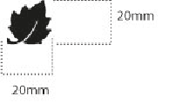 Embroidery LEAF 20mm |  |  |  | LOCAL / MING SHYANG | Left top sleeve / OUTER JKT | 1 | ANTHRACITE GREY M416 | HEATHER GREY 40030 | NORTH SEA 464
MARKING INNER JKT
EMBROIDERY LAFUMA 60mm |  |  |  | LOCAL / MING SHYANG | Right top front / INNER JKT | 1 | BLACK 9000 | BLACK 9000 | NORTH SEA 369
Embroidery LEAF 20mm |  |  |  | LOCAL / MING SHYANG | Left top sleeve / INNER JKT | 1 | BLACK 9000 | BLACK 9000 | NORTH SEA 369
LABELS OUTER JKT
WOVEN LABEL |  |  | LW034-E | SML | Neckline / centered | 1 | ORANGE
SIZE WOVEN LABEL MMG ALPHA WOMEN /TOP |  |  | LWS18-04 | SML | Neckline / centered | 1 | STANDARD
Care Label & P.O. Label |  |  | LC011-E | LOCAL | left side seam | 1 | WHITE satin
WOVEN LABEL CLIMACTIVE |  |  | LW050-E | TRIPLE STAR | left side seam | 1 | STANDART
LABELS INNER JKT
 WOVEN LABEL |  |  | LW034-E | SML | Neckline / centered | 1 | ORANGE
SIZE WOVEN LABEL MMG ALPHA WOMEN /TOP |  |  | LWS18-04 | SML | Neckline / centered INNER JACKET | 1 | STANDARD
Care Label & P.O. Label |  |  | LC011-E | SML | left side seam INNER JACKET |  | WHITE satin
HANG TAG
HANG TAG MIX & MATCH |  |  | HT394325/NE | TRIPLE STAR | FRONT ZIPPER | 1 | STANDARD
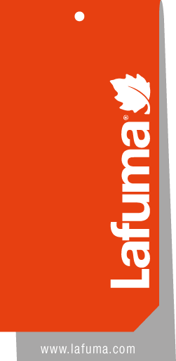  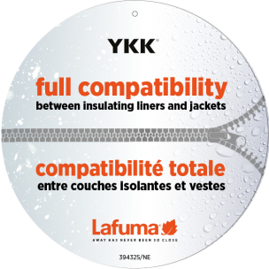 HANGTAG LAFUMA CORPORATE |  |  | SMALL HT-394082-E | TRIPLE STAR | LEFT SIDE POCKET | 1 | STANDARD
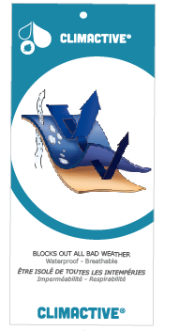 HANG TAG CLIMACTIVE |  |  | SMALL HT394146-E | TRIPLE STAR | INSERT ON CORPORATE HT | 1 | STANDARD
 HANG TAG PFC FREE |  |  | HT394145-E | TRIPLE STAR |  | 1 | STANDARD
 GENCODE STICKER |  |  |  | LOCAL |  | 2
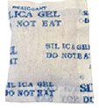 SILICA GEL DMF U FREE 5gr |  |  |  | LOCAL |  | 1
 POLYBAG |  |  |  | LOCAL |  | 1
 |  |  |  | LOCAL |  | 1

MARKING
 |  |  | MARKING |  |  | WINTER 2018/19
LFV11489 |  | LD CONEY 3in1 PARKA |  |  |  | INDEX | V1
DATE | 2020-01-03 |  |  |  |  | SUPPLIER : |  | PRIMA CHANNEL
DESIGNATION |  |  |  |  | POSITION
MARKING OUTER JKT
LAFUMA+楓葉繡花6cm
外夾克
穿者右前胸領圍下8cm
距外擋風片1.5cm
EMBROIDERY LAFUMA 60mm |  |  |  | 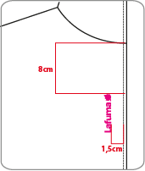 RIGHT TOP FRONT * VERTICAL POSITION : 8cm from neckline * ALONG FRONTZIPPER : 1 ,5 cm from front zipper
楓葉繡花2cm
穿者左袖肩點下8cm
EMBROIDERY LEAF 20mm |  |  |  | LEFT TOP SLEEVE * CENTRED: 8cm from top sleeve |  | 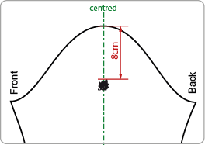
穿者左後脇邊下襬上15cm。
Woven label CLIMACTIVE |  |  |  | INSERT ON LEFT SIDE SEAM PATCH ON BACK *15cm from bottom
MARKING INNER JKT
LAFUMA+楓葉繡花6cm
內夾克
穿者右前胸領圍下8cm
距門襟拉鍊1.5cm
EMBROIDERY LAFUMA 60mm |  |  |  | RIGHT TOP FRONT * VERTICAL POSITION : 8cm from neckline * ALONG FRONTZIPPER : 1 ,5 cm from front zipper
楓葉繡花2cm
穿者左袖肩點下8cm
EMBROIDERY LEAF 20mm |  |  |  | LEFT TOP SLEEVE * CENTRED: 8cm from top sleeve

JACKET SKETCH MEASUREMENTS
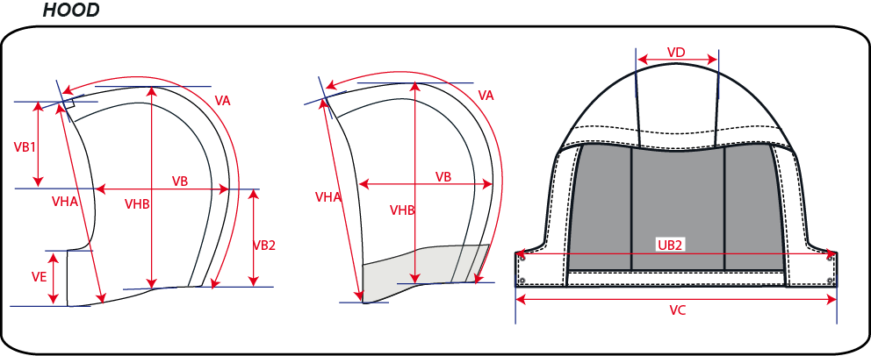
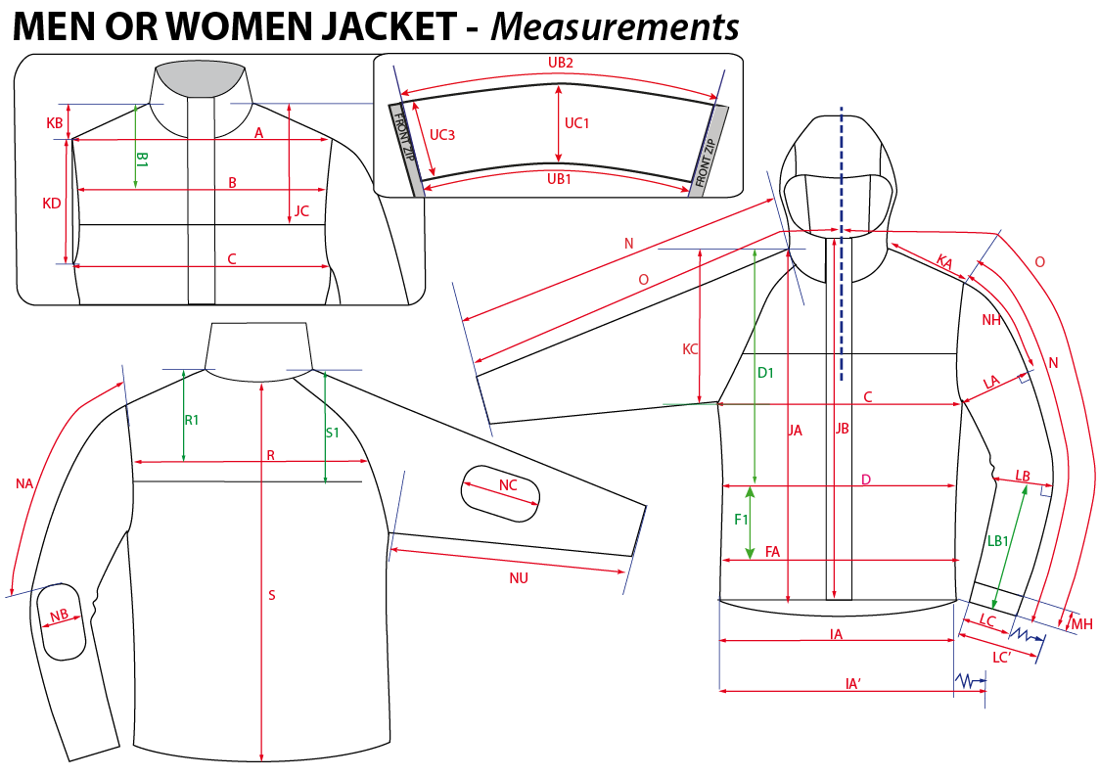
 |  | HOW TO TAKE MEASUREMENTS | WINTER 2018/19
LFV11489 |  | LD CONEY 3in1 PARKA |  | INDEX | V1
DATE | 2020-01-03 |  | SUPPLIER : |  | PRIMA CHANNEL

HANG TAGS
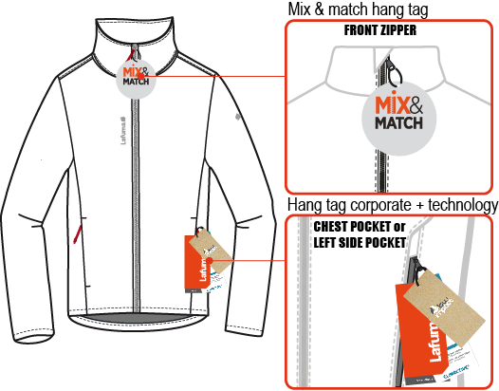
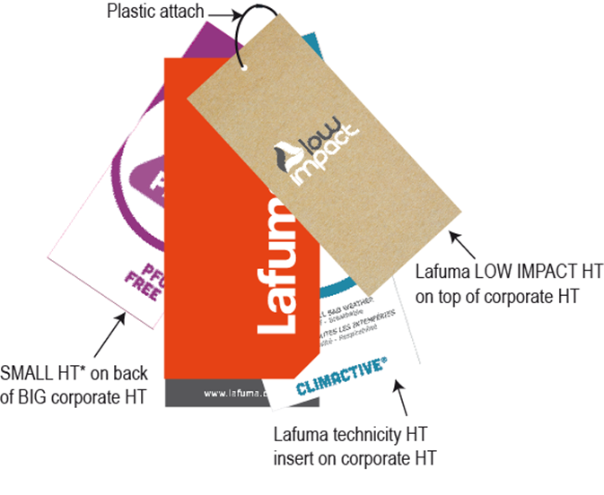
 |  | HOW TO ATTACH HANG TAGS | WINTER 2018/19
LFV11489 |  | LD CONEY 3in1 PARKA |  | INDEX | V1
DATE | 2020-01-03 |  | SUPPLIER : |  | PRIMA CHANNEL

